Table 20
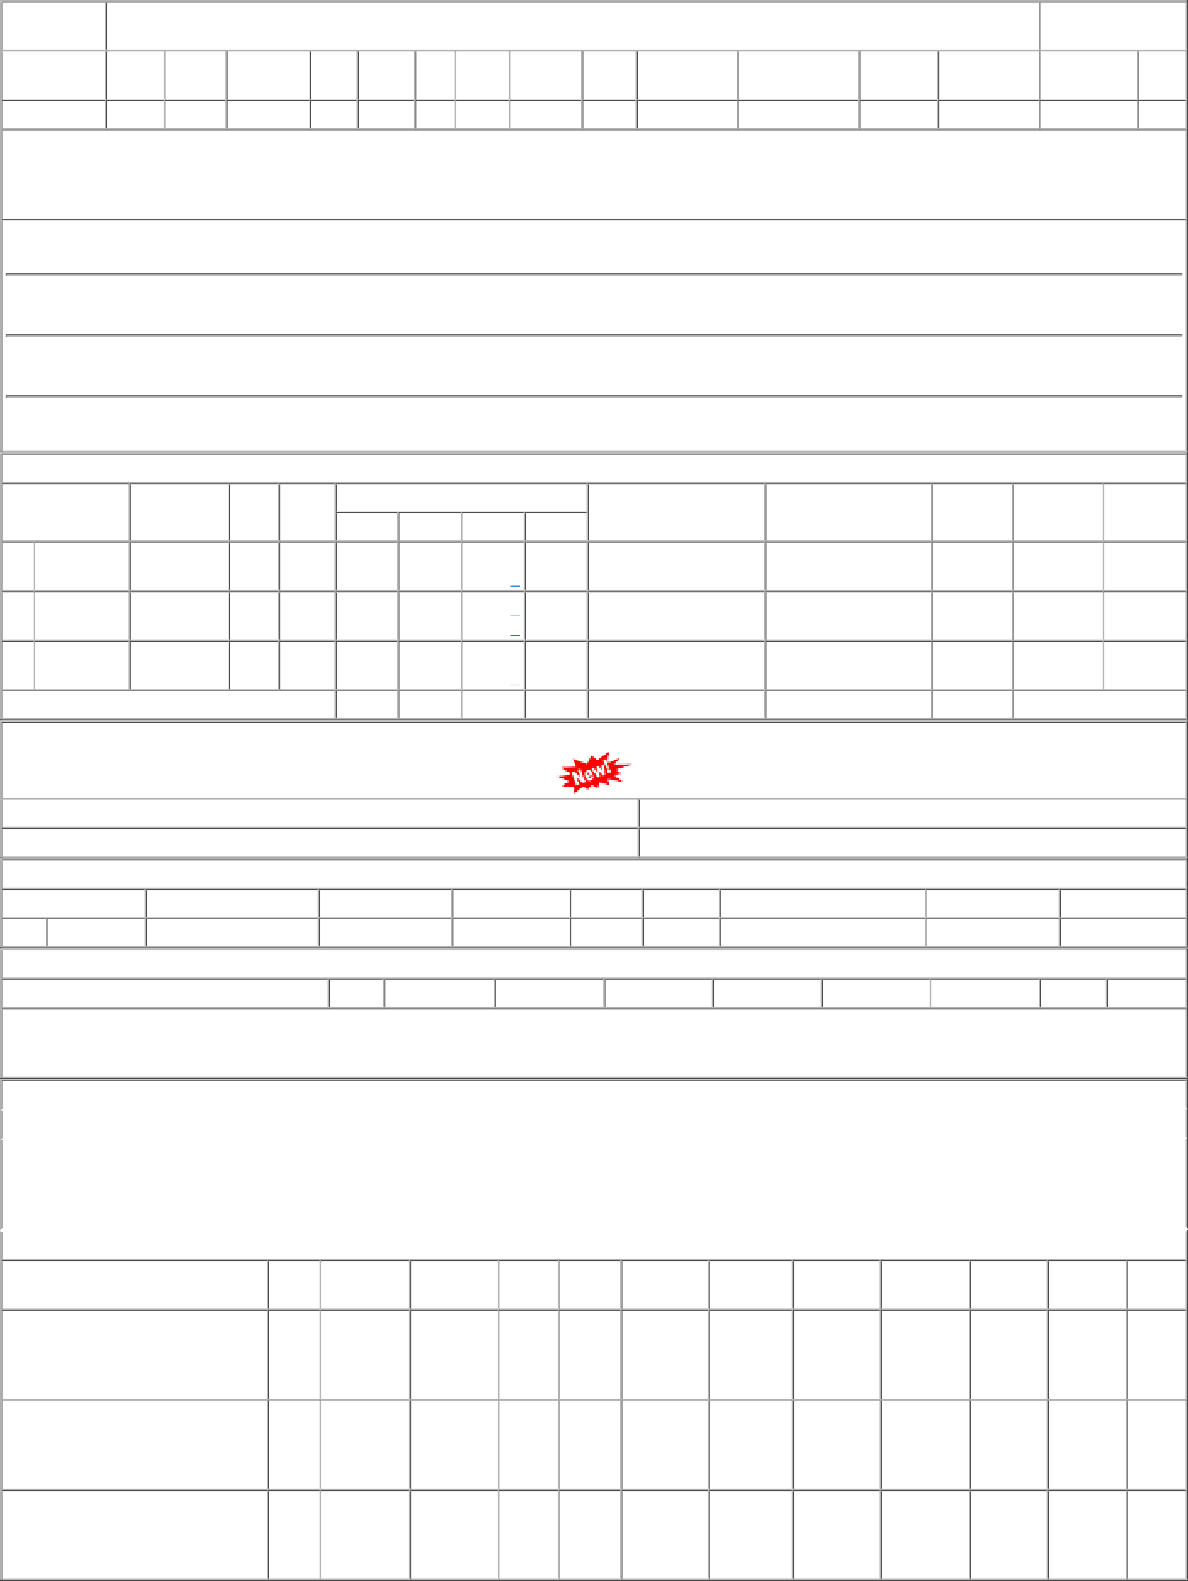
P.O.No.52221588101894 dt.27/12/22 on M/s.KHANNA MALLEABLES-JALANDHAR PO-CAT:[ Reg ] P.O.No.04221587103583 dt.10/07/22 on M/s.KHANNA MALLEABLES-JALANDHAR PO-CAT:[ Reg ] P.O.No.52221223100819 dt.19/05/22 on M/s.MEHLA ENTERPRISES-YAMUNA NAGAR PO-CAT:[ Reg ] | 001 001 001 | PL-CR MX-GSD PL-CR | 35.40 27.14 36.58 | 500 Nos. 0 250 Nos. 0 460 Nos. 0 | 0 0 0 250 0 460 | 26/01/23 09/09/22 28/07/22 | 26/01/23 OP 11/07/22 09/09/22 OP 28/07/22 OP

